Cover
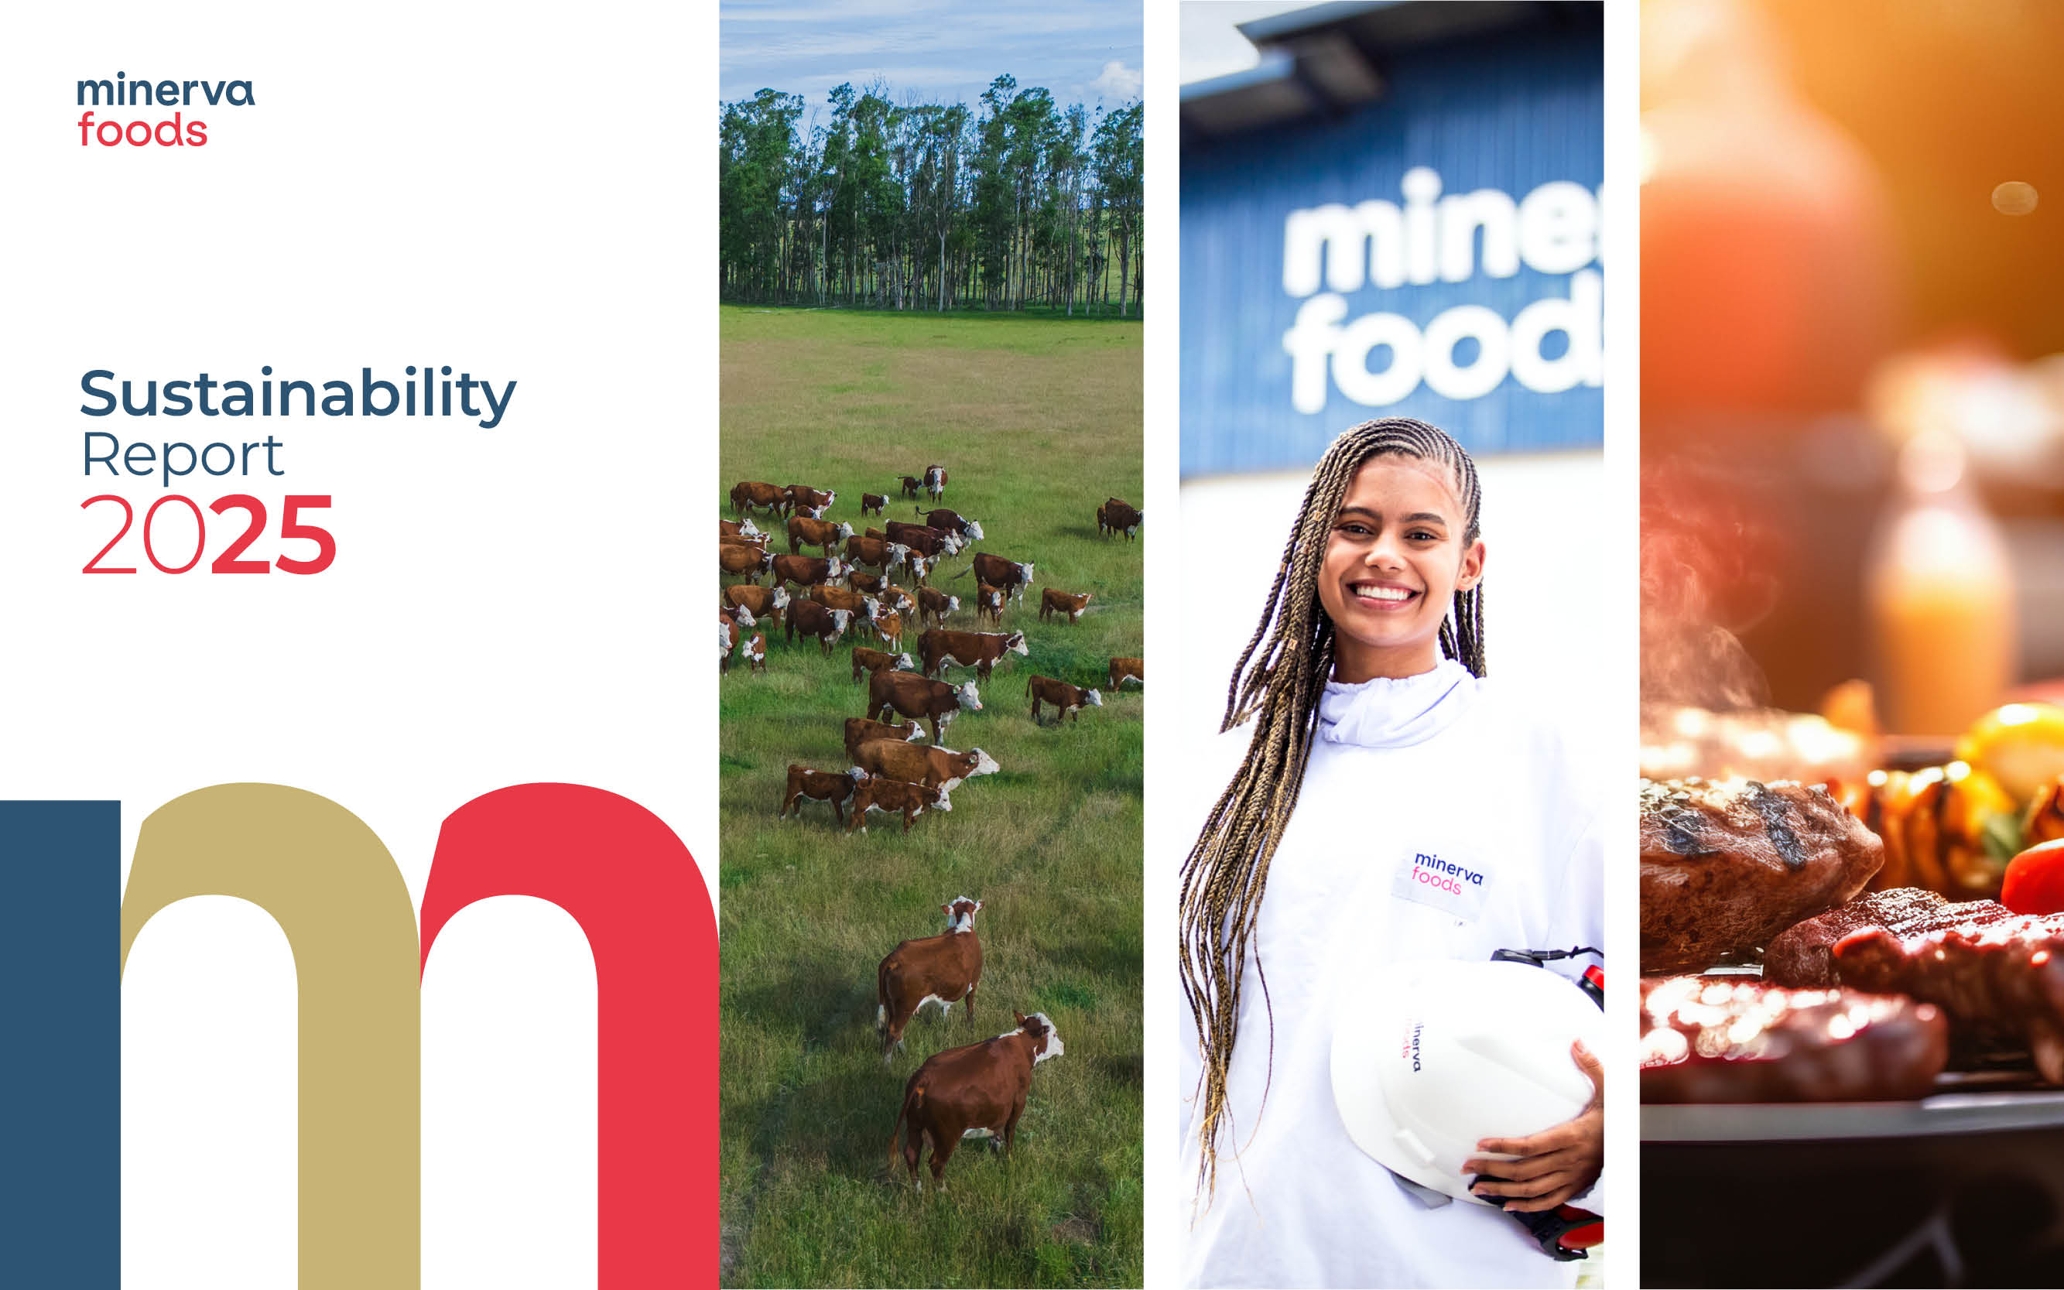

Water Management
 |  |  | Introduction | Sustainability Commitment | Materiality
Ethics, Risk Management and Compliance | Market presence | Climate Change | Water Management | Biodiversity and Ecological Impacts | Sustainable Sourcing | Employee health, safety, and well-being | Respect, development and recognition of people | Food Quality and Safety | Animal Welfare
 |  | Additional Disclosures | SARB | Policies | GRI Content Index | SASB Index

Water Management

GRI 3-3 Management of the material topic: Water Management
Our environmental policy reflects our concern for water consumption and quality, and the organization is a signatory to the UN Global Compact. Our commitments include respecting and protecting the environment and the community through pollution prevention and the conservation of natural resources, aiming for the sustainability of the business, as well as managing significant environmental aspects with appropriate controls and treatment of its liquid effluents, solid waste, energy use and emissions and atmospheric emissions, complying with legal and regulatory requirements and other applicable standards, and promoting the continuous improvement of management systems, processes, products and services to enhance their respective performance. Minerva Foods establishes controls to ensure that environmental impacts are managed, through supplier management, traceability, internal analyses and audits, management committees to monitor action plans, projects for adjustments and improvements, as well as monitoring of current legislation, including water reuse programs in non-critical areas, good practices for reducing consumption, working groups (CMQ - Minerva Quality Circle) and water committees at the industrial units. The Company has developed verification methods through the monitoring of its indicators, legal compliance controls for current legislation, completion of the CMA (environmental monitoring center) checklist and internal audits, training of the Environmental teams present at the industrial units, waste management, as well as the implementation of an action manager for each of the items mentioned above that has shown a deviation, using evidence such as reuse letters, a central spreadsheet and reports from the Environmental Monitoring Center. Stakeholders play an important role in the Company's operating environment and are considered in the assessment of risks, impacts, and opportunities. Identifying stakeholders and developing a relationship with them enables co

Water and Effluents / SASB - Meat, Poultry & Dairy
 |  |  |  |  | 2025
 | FB-MP 140a.2 - Description of water management risks and discussion of strategies and practices to mitigate these risks / GRI 301-1 | Interactions with water as a shared resource | The Company's water withdrawal covers three main methods: groundwater, surface water and water purchased from third parties. After withdrawal, the water obtained is treated at treatment stations present at the units until it reaches the required potable water standards. This process ensures that the water can be used in the production stages and in other processes within the plant. After use, the residual of this water is directed to the effluent treatment stations. After undergoing the necessary treatment, the treated effluent is returned to nature and may be released into water bodies or applied to the soil. According to the WRI methodology, in Brazil the Janaúba, Bagé and São Gabriel units are located in water-stressed areas. In LATAM, Carrasco remains in water stress (medium-high), Canelones is no longer in a considered area, and Villa Mercedes has come to be classified as water-stressed. Minerva Foods also uses internal methodologies, including assessment of rainfall history and periods of scarcity, to support decisions on water availability. The organization develops projects to reduce consumption, has treatment systems to meet legal standards, adopts a general Environmental Policy and monitors water indicators defined by the Board. In Australia, water is purchased from a company,industrial effluents are sent for treatment and methane recovery, and fortnightly tests of industrial waste and stormwater are carried out to monitor nutrients and environmental impacts.
 |  |  |  |  | 2025
 | GRI 303-2 | Management of water discharge-related impacts | In addition to following the guidelines of CONAMA resolutions 357, 430 and 503, the Company adopts internal control measures such as self-monitoring of parameters through its own laboratories or accredited third-party professionals, as well as a specialized range of highly qualified suppliers that provide products and consulting services, always aiming for the best performance of the treatment systems. Minerva Foods Australia is part of the COGEN program, operated by Barwon Water. Industrial effluents are sent to Barwon Water's High Rate Anaerobic Lagoons (HRAL), which receive high-concentration industrial waste, capture methane and carry out anaerobic digestion, maximizing biomethane generation. The biomethane feeds the cogeneration units, producing electricity and heat. The electricity supplies the Barwon Water plant, with the surplus injected into the power grid. The heat produced is used to heat the hot water circuit, which transfers heat to the 82 °C and 45 °C water circuits of the High Rate Anaerobic Lagoons (HRAL). The clean, hot water is returned to the unit, which significantly reduces the cost of heating the water required to reach 82 °C for production hygiene.
 |  |  | 2023 | 2024 | 2025 | 2024–2025 Change | Notes

 | 303-3 Water withdrawal | Total water withdrawal (ML) by source Freshwater (total dissolved solids ≤1,000 mg/L) | 14,853.62 | 18,072.79 | 25,238.17 | +39.65% | The industrial units withdraw water from surface and/or groundwater sources, always under valid permits and authorizations issued by the relevant authorities. The volumes withdrawn are tracked through daily control, ensuring traceability and compliance with the authorized limits. After withdrawal, the water undergoes treatment until it reaches potable water standards and is then distributed to meet the plant's demands.
 |  | Water withdrawal from surface water sources | 13,353.35 | 16,293.36 | 17,132.65 | +5.15%
 |  | Water withdrawal from groundwater sources | 3,768.93 | 3,440.83 | 7,260.55 | +111.01%
 |  | Water withdrawal from third-party sources | 950.51 | 855.03 | 844.97 | -1.18%

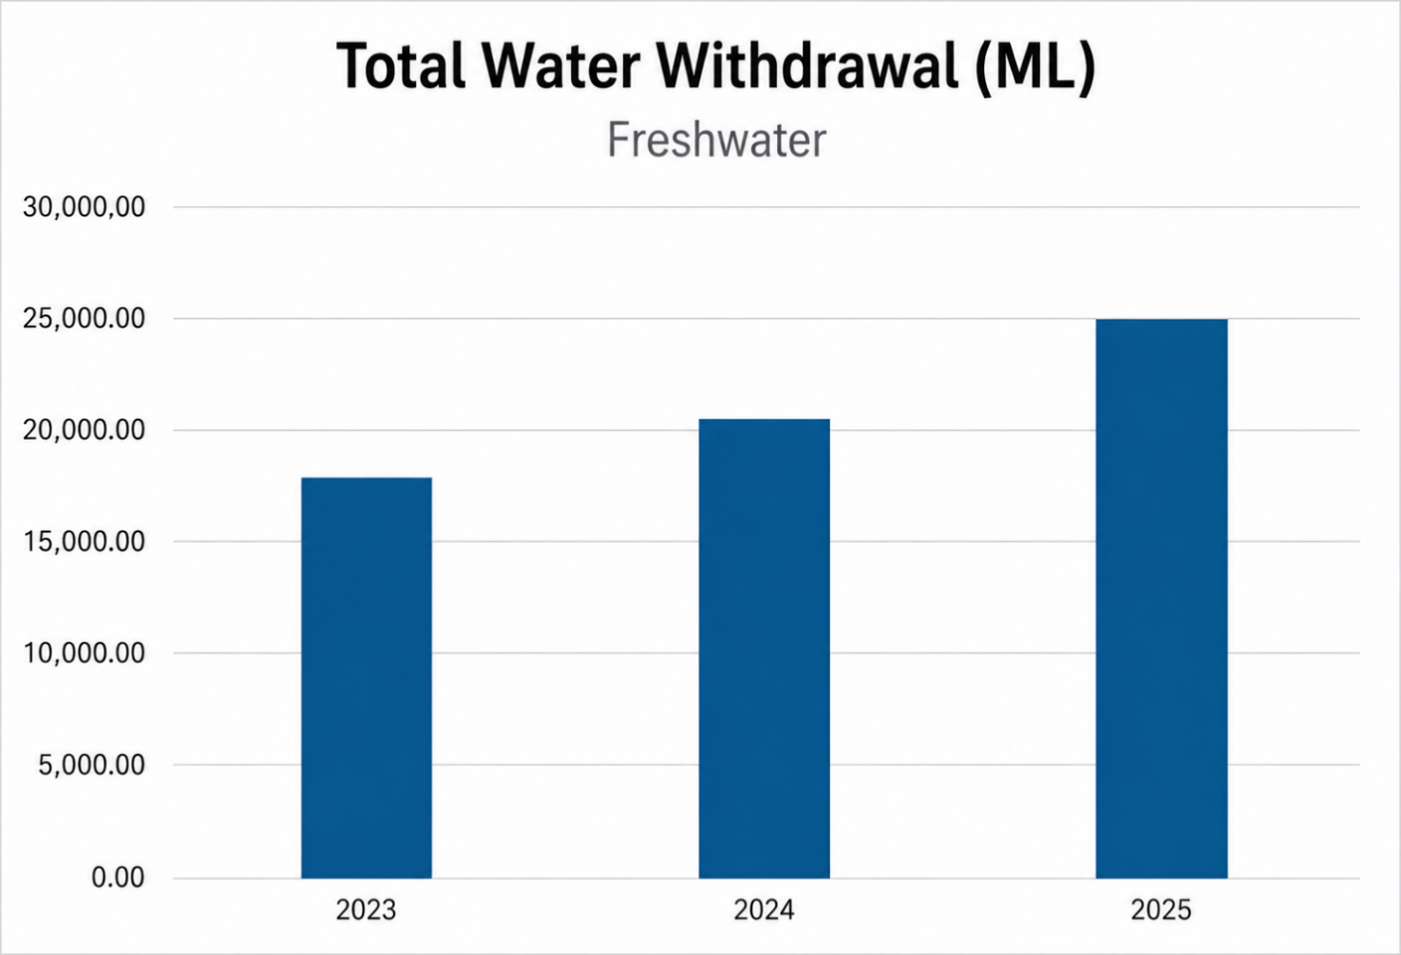

 |  |  | 2023 | 2024 | 2025 | 2024–2025 Change | Notes
 | 303-3 Water withdrawal | Total water withdrawal (ML) in areas with water stress Freshwater (total dissolved solids ≤1,000 mg/L) | 614.92 | 1,802.24 | 2,764.68 | +53.40%
 |  | Water withdrawal in water-stressed areas from surface water sources | 143.10 | 1,236.10 | 1,611.80 | +30.39%
 |  | Water withdrawal in water-stressed areas from groundwater sources | 471.81 | 564.19 | 1,152.03 | +104.19%
 |  | Water withdrawal in water-stressed areas from third-party sources | - | 1.96 | 0.85 | -56.59%

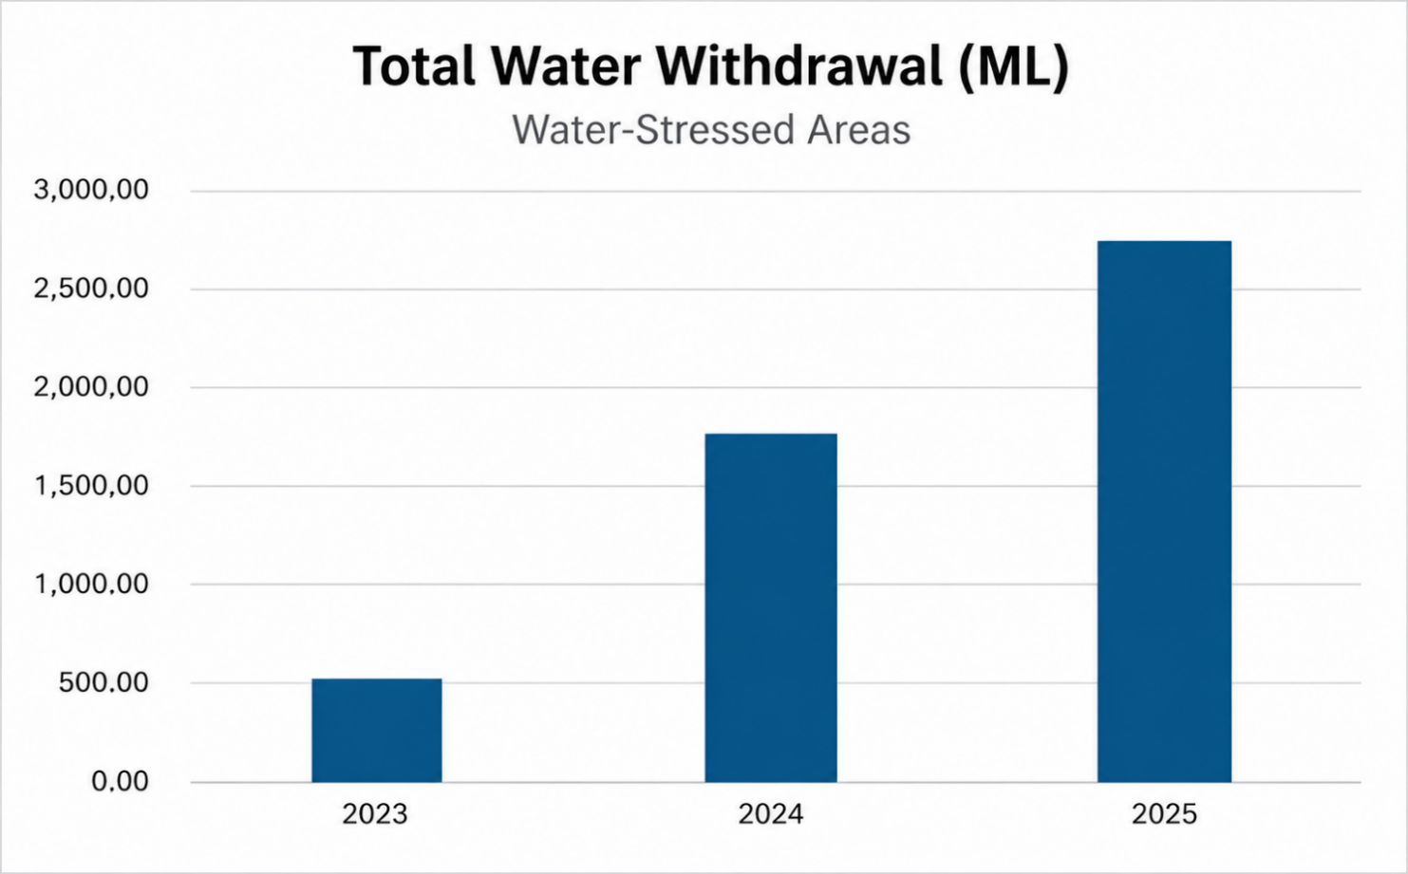

 |  |  | 2023 | 2024 | 2025 | 2024–2025 Change | Notes
 | 303-3 Water withdrawal / FB-MP 140a.1 - (1) Total water withdrawn | Total water withdrawal (ML) - Argentina by source Freshwater (total dissolved solids ≤1,000 mg/L) | 5,318.95 | 5,509.22 | 4,697.35 | -14.74%
 |  | Water withdrawal from surface water sources | 4,023.31 | 4,892.45 | 3,127.25 | -36.08%
 |  | Water withdrawal from groundwater sources | 1,295.64 | 616.77 | 1,570.10 | +154.57%
 |  | Water withdrawal from third-party sources | 0.00 | 0.00 | 0.00 | 0.00%
 |  | Total water withdrawal (ML) - Australia by source Freshwater (total dissolved solids ≤1,000 mg/L) | 568.56 | 516.53 | 502.58 | -2.70%
 |  | Water withdrawal from surface water sources | 0.00 | 0.00 | 0.00 | 0.00%
 |  | Water withdrawal from groundwater sources | 49.88 | 1.82 | 0.00 | -100.00%
 |  | Water withdrawal from third-party sources | 518.68 | 514.72 | 502.58 | -2.36%
 |  | Total water withdrawal (ML) - Brazil by source Freshwater (total dissolved solids ≤1,000 mg/L) | 7,652.95 | 9,757.98 | 15,146.96 | +55.23%
 |  | Water withdrawal from surface water sources | 6,256.55 | 7,517.61 | 10,090.33 | +34.22%
 |  | Water withdrawal from groundwater sources | 1,394.00 | 2,237.16 | 5,055.78 | +125.99%
 |  | Water withdrawal from third-party sources | 2.40 | 3.21 | 0.85 | -73.54%
 |  | Total water withdrawal (ML) - Chile by source Freshwater (total dissolved solids ≤1,000 mg/L) | - | - | 79.57 | -
 |  | Water withdrawal from surface water sources | - | - | 0.00 | -
 |  | Water withdrawal from groundwater sources | - | - | 0.00 | -
 |  | Water withdrawal from third-party sources | - | - | 79.57 | -
 |  | Total water withdrawal (ML) - Colombia by source Freshwater (total dissolved solids ≤1,000 mg/L) | 487 | 624.33 | 551.09 | -11.73%
 |  | Water withdrawal from surface water sources | 221.13 | 288.25 | 289.35 | +0.38%
 |  | Water withdrawal from groundwater sources | - | - | 0.00 | -
 |  | Water withdrawal from third-party sources | 265.66 | 336.08 | 261.74 | -22.12%
 |  | Total water withdrawal (ML) - Paraguay by source Freshwater (total dissolved solids ≤1,000 mg/L) | 1,840.76 | 2,142.58 | 2,270.47 | +5.97%
 |  | Water withdrawal from surface water sources | 827.98 | 1,557.51 | 1,635.80 | +5.03%
 |  | Water withdrawal from groundwater sources | 1,012.77 | 585.07 | 634.67 | +8.48%
 |  | Water withdrawal from third-party sources | - | - | - | -
 |  | Total water withdrawal (ML) - Uruguay by source Freshwater (total dissolved solids ≤1,000 mg/L) | 2,204.79 | 2,038.57 | 1,990.15 | -2.38%
 |  | Water withdrawal from surface water sources | 2,024.38 | 2,037.54 | 1,989.92 | -2.34%
 |  | Water withdrawal from groundwater sources | 16.64 | - | 0.00 | -
 |  | Water withdrawal from third-party sources | 163.77 | 1.03 | 0.23 | -77.63%
 |  |  | 2023 | 2024 | 2025 | 2024–2025 Change | Notes
 | GRI 303-4 Water discharge | Total water discharge (ML) by source | 13,907.35 | 17,071.96 | 20,806.85 | +21.88%
 |  | Surface water discharge | 10,469.97 | 15,222.05 | 13,747.84 | -9.68%
 |  | Groundwater discharge | 0 | 0 | 0 | -
 |  | Third-party water discharge | 824.45 | 1,849.91 | 2,207.28 | +19.32%
 |  | Water discharge in areas with water stress (ML) | 378.77 | 1,396.13 | 2,006.69 | +43.73%
 |  | Surface water discharge in areas with water stress (ML) | - | 513.22 | 819.17 | +59.61%
 |  | Third-party water discharge in areas with water stress (ML) | - | 882.91 | 1187.52 | +34.50%
 |  | Total water discharge (ML) - Argentina | 3,422.77 | 4,376.52 | 3,653.53 | -16.52%
 |  | Surface water discharge | 3,422.77 | 4,376.52 | 3,032.98 | -30.70%
 |  | Groundwater discharge | - | - | 0.00 | -
 |  | Third-party water discharge | - | - | 299.17 | -
 |  | Total water discharge (ML) - Australia | 500.34 | 467.75 | 474.48 | +1.44%
 |  | Surface water discharge | 56.58 | - | - | -
 |  | Groundwater discharge | - | - | - | -
 |  | Third-party water discharge | 443.76 | 467.75 | 474.48 | +1.44%
 |  | Total water discharge (ML) - Brazil | 6,502.67 | 8,244.87 | 12,471.43 | +51.26%
 |  | Surface water discharge | 3,509.04 | 7,750.75 | 7,423.60 | -4.22%
 |  | Groundwater discharge | 2,612.93 | - | - | -
 |  | Third-party water discharge | 380.69 | 494.12 | 517.48 | +4.73%
 |  | Total water discharge (ML) - Chile | - | - | 28.78 | - | The Company carries out primary treatment of Liquid Industrial Waste (RILES), in compliance with Decree No. 609 of the Ministry of Public Works. The treated effluents are subsequently sent to a pumping station of a sanitation service concessionaire. The solids retained during the screening process are disposed of in a municipal sanitary landfill.
 |  | Surface water discharge | - | - | - | -
 |  | Groundwater discharge | - | - | - | -
 |  | Third-party water discharge | - | - | 28.78 | -
 |  | Total water discharge (ML) - Colombia | 413.77 | 429.02 | 443.43 | +3.36%
 |  | Surface water discharge | 413.77 | 429.02 | 443.43 | +3.36%
 |  | Groundwater discharge | - | - | - | -
 |  | Third-party water discharge | - | - | - | -
 |  | Total water discharge (ML) - Paraguay | 1,564.64 | 1,821.01 | 1,879.32 | +3.20%
 |  | Surface water discharge | 1,564.64 | 1,323.70 | 1,362.81 | +2.95%
 |  | Groundwater discharge | - | - | - | -
 |  | Third-party water discharge | - | 497.31 | 516.51 | +3.86%
 |  | Total water discharge (ML) - Uruguay | 1,503.16 | 1,732.78 | 1,855.88 | +7.10%
 |  | Surface water discharge | 1,503.16 | 1,342.06 | 1,485.02 | +10.65%
 |  | Groundwater discharge | - | - | - | -
 |  | Third-party water discharge | - | 390.73 | 370.86 | -5.08%
 |  |  | 2023 | 2024 | 2025 | 2024–2025 Change | Notes
 | GRI 303-5 Water consumption / FB-MP 140a.1 - (2) Total water consumed, percentage of each in regions with high or extremely high baseline water stress | Water consumption (ML) | 4,165.44 | 3,517.26 | 4,431.41 | +25.99%
 |  | Water consumption in areas with water stress (ML) | 236.14 | 406.11 | 757.99 | +86.65% | The increase in consumption in water-stressed areas is directly related to the acquisition of new units in 2025, with the incorporation of three operations located in these regions.

Climate Change
 |  |  | Introduction | Sustainability Commitment | Materiality
Ethics, Risk Management and Compliance | Market presence | Climate Change | Water Management | Biodiversity and Ecological Impacts | Sustainable Sourcing | Employee health, safety, and well-being | Respect, development and recognition of people | Food Quality and Safety | Animal Welfare
 |  | Additional Disclosures | SARB | Policies | GRI Content Index | SASB Index

Climate Change

GRI 3-3 Management of the material topic: Climate Change
Combating climate change is a central topic for Minerva Foods due to the volume of greenhouse gas (GHG) emissions generated along its production chain. The Company recognizes that its operations, especially in the production and processing of proteins, generate emissions associated with Scopes 1, 2 and 3, arising from direct activities, such as effluent treatment and energy consumption, and indirect activities, including livestock management and transportation. GHG emissions contribute to several environmental and socio-economic impacts, including the decline in agricultural and livestock productivity and the increase in production and transition costs, the rise in the global average temperature, habitat loss and the scarcity of natural resources, the increase in respiratory and tropical diseases, forced displacement and rising poverty. Positive outcomes include support for circular economy initiatives and the development of sustainable markets. The climate commitment is formalized in the Sustainability Commitment, launched in 2021, which establishes the goal of achieving net zero emissions by 2035, in addition to a 30% reduction in GHG emissions intensity (tCO₂e/FPT) in Scopes 1 and 2 by 2030 and the maintenance of net zero Scope 2 emissions through the use of renewable energy sources. Emissions management is carried out through the continuous measurement and assessment of the Corporate GHG Emissions Inventory, externally audited, prepared in accordance with the GHG Protocol, IPCC and ISO 14064, and published in the Public Emissions Registry of the Brazilian GHG Protocol Program. Emissions monitoring takes place throughout the production chain. Among the measures adopted are the acquisition of International Renewable Energy Certificates (I-RECs) to offset Scope 2 emissions, the acquisition of the Irarupu II Solar Park, which supplies 60% of the electricity consumption of the operations in Brazil, energy efficiency improvements, water reuse practices, the promotion

Climate Change / GRI 13: Agriculture, Aquaculture and Fishing Sectors / SASB Meat, Poultry & Dairy
 |  |  |  |  | 2025
 | GRI 102-1 | Transition plan for climate change mitigation | In recent years, Minerva Foods has strengthened its efforts to address climate change and align its business model with sustainable development principles. In this regard, Minerva Foods launched its Sustainability Commitment in 2021, focused on the environmental pillar of its sustainability agenda called 'Dedication to the Planet'. The commitment aims to achieve net zero emissions by 2035 – 15 years ahead of the Paris Agreement – and, to this end, it has defined a series of goals focused on monitoring illegal deforestation and promoting sustainable livestock-rearing practices in its value chain. To achieve these objectives, Minerva Foods operates along three main axes: 1. Eco-efficiency in controlled operations; 2. Monitoring illegal deforestation in the value chain; and 3. Development of the Renove Program on partner farms. Minerva Foods has also been following international initiatives, such as the launch of the method for submitting science-based targets for the Forest, Land and Agriculture (FLAG) sector. Throughout 2021, Minerva Foods developed a study with a specialized consultancy to identify and prioritize projects that mitigate GHG emissions for Scopes 1 and 2. It also created the Renove Program to promote engagement and joint action with catle producers in the adoption of regenerative agriculture practices that increase productivity and income, in addition to benefiting the environment through the reduction of carbon emissions and the sustainable intensification of livestock farming. Finally, it also created MyCarbon, a Minerva Foods subsidiary that develops and sells carbon credits, in accordance with international standards, creating financial opportunities for the preservation of nature, accelerating the fight against climate change and promoting a low-carbon future. Minerva Foods does not currently have a climate transition plan.
 |  |  |  |  | 2025
 |  |  | Minerva Foods, in its Climate Risks and Opportunities study (developed between 2025 and 2026), described risks and impacts and published mitigation/adaptation measures for each risk and opportunity. Physical risk – Extreme weather events, such as wildfires, river floods or meteorological droughts, can compromise the operating capacity of industrial units through access interruptions, damage to physical structures and water rationing or shortages. River floods, wildfires and strong winds can damage the physical structure of the industrial units, fixed and mobile equipment. The purchase price of cattle, the Company's main input, is exposed to significant fluctuations. Extreme weather events, such as heat or cold waves and meteorological droughts, can increase the occurrence of infectious diseases in animals, reduce the availability of drinking water on supplier farms and cause losses in the production of agricultural commodities used in feed, raising costs for catle producers that may be passed on to the meatpacking plants. High temperatures and heat waves cause physical discomfort in humans and animals and increase water demand. Meteorological droughts can cause interruptions or rationing in the water supply by utilities and a reduction in the flow of underground (wells) and surface (rivers and lakes) withdrawals in the industrial operations. In this scenario, the acquisition of water from alternative sources would be necessary to maintain critical activities in the industry and for human consumption. In meteorological drought events, there may be conflicts over water use in the industrial operations with local communities, catle producers and other parties. High temperatures and heat waves require intensive use of ventilation and refrigeration equipment at the industrial units to ensure the thermal comfort of employees and compliance with quality and food safety standards. Transition risk – Changes in rainfall, wind and radiation patterns impact the supply of electr
 | GRI 102-2 | Climate change adaptation plan

 |  |  |  |  | 2025
 | GRI 102-4 | GHG emissions reduction targets and progress | Minerva Foods has the target of reducing the emissions intensity of Scopes 1 and 2 per finished product tonne (FPT) by 30% by 2030, considering 2020 as the base year. The Company also maintains the commitment to ensure zero Scope 2 emissions under the market-based approach, through the consumption of electricity from renewable sources, including I-RECs, own generation and PPAs, in addition to achieve net zero emissions by 2035. The targets cover the gases CO₂, CH₄, N₂O and HFC and include, in Scope 3, the categories of purchased goods and services; fuel- and energy-related activities; upstream and downstream transportation and distribution; waste generated in operations; business travel; employee commuting; processing of sold products; and end-of-life treatment of sold products. Biogenic CO₂ emissions are not included in the reported targets. The targets are aligned with the Company's Net Zero strategy. In 2025, Minerva Foods updated its decarbonization studies, incorporating operational improvements and global methodologies for climate strategic planning. The inventory was prepared in accordance with the Specifications of the Brazilian GHG Protocol Program, aligned with the GHG Protocol Corporate Standard and the GHG Protocol Corporate Value Chain (Scope 3) Standard, considering the operational control approach. The information underwent independent verification in accordance with ABNT NBR ISO 14064-3:2007. The progress of the Scope 1 and 2 intensity target was a 5% reduction compared to 2020, with the indicator going from 0.20 to 0.19.
 |  |  | 2023 | 2024 | 2025 | 2024–2025 Change | Notes
 | GRI 102-5 Scope 1 GHG emissions (tCO2e) \ 13.1.2 \ SASB FB-MP-110a.1 | Total | 337,934.63 | 445,204.03 | 527,783.75 | +18.55% | The variation observed in absolute emissions reflects the growth in operational volume resulting from the ramp-up of the units acquired in 2024. In addition, the following contributed to the result: the improvement in fuel consumption accounting, expanding the granularity of the data, and the methodological and emission-factor updates applicable to Scope 3 categories, in line with best practices and updates to the reference standards.
 |  | Argentina | 74,691.02 | 88,776.38 | 140,748.89 | +58.54%
 |  | Australia | 6,925.90 | 6,912.88 | 5,514.71 | -20.23%
 |  | Brazil | 170,139.11 | 239,412.18 | 283,589.63 | +18.45%
 |  | Chile | - | 1,548.55 | 983.77 | -36.47%
 |  | Colombia | 25,158.52 | 15,830.19 | 19,084.08 | +20.55%
 |  | Paraguay | 36,503.59 | 63,349.13 | 40,522.49 | -36.03%
 |  | Uruguay | 24,516.49 | 28,995.15 | 37,340.18 | +28.78%

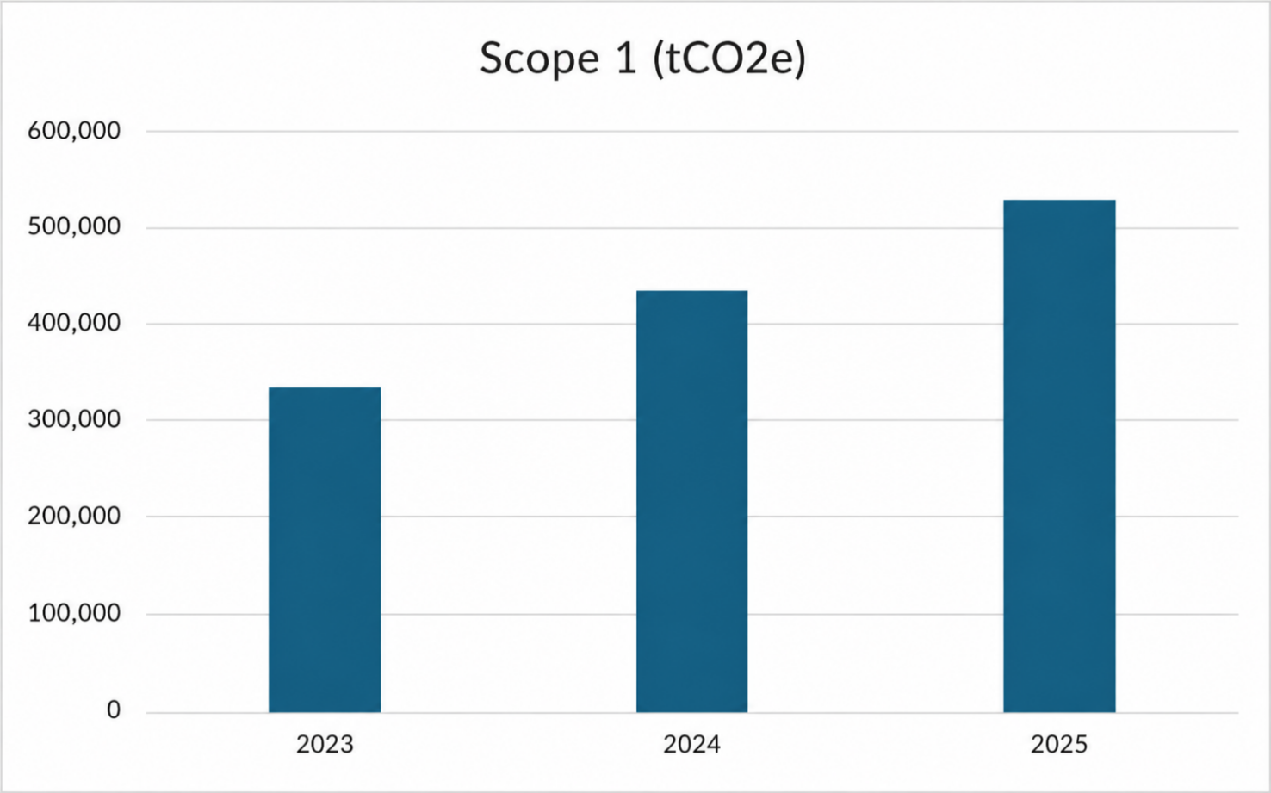

 |  |  | 2023 | 2024 | 2025 | 2024–2025 Change | Notes
 | GRI 102-5 Scope 1 GHG emissions (tCO2e) - biogenic emissions | Total | - | - | 373,198.12 | -
 |  | Argentina | - | - | 4.60 | -
 |  | Australia | - | - | - | -
 |  | Brazil | - | - | 263,737.77 | -
 |  | Chile | - | - | 0.48 | -
 |  | Colombia | - | - | 48.34 | -
 |  | Paraguay | - | - | 60,606.60 | -
 |  | Uruguay | - | - | 48,800.33 | -
 |  | 2025
 | GRI 102-5 Scope 1 GHG emissions (tCO2e) by gas |  | CO₂ (t) | CH₄ (t) | CH₄ (tCO₂e) | N₂O (t) | N₂O (tCO₂e) | HFCs (t) | HFCs (tCO₂e)
 |  | Total | 76,230.60 | 15,667.63 | 438,693.51 | 43.91 | 11,638.51 | 0.68 | 1,221.12
 |  | Argentina | 51,094.93 | 3,189.30 | 89,300.40 | 0.56 | 147.83 | 0.11 | 205.73
 |  | Australia | 4,231.27 | 45.66 | 1,278.51 | 0.02 | 4.93 | 0.00 | 0.00
 |  | Brazil | 5,841.40 | 9,682.78 | 271,117.79 | 21.72 | 5,756.87 | 0.50 | 873.57
 |  | Chile | 851.96 | 4.23 | 118.39 | 0.05 | 13.42 | 0.00 | 0.00
 |  | Colombia | 12,934.76 | 169.70 | 4,751.72 | 4.86 | 1,288.92 | 0.06 | 108.68
 |  | Paraguay | 355.35 | 1,351.96 | 37,854.79 | 8.68 | 2,300.33 | 0.01 | 12.02
 |  | Uruguay | 920.93 | 1,224.00 | 34,271.91 | 8.02 | 2,126.21 | 0 | 21.13

Additional information: Minerva Foods adopts the Operational Control consolidation approach for its greenhouse gas emissions inventory. This approach is applied consistently to Scope 1, 2 and 3 emissions, including the accounting and verification of operating units in Brazil and abroad. Under Operational Control, the inventory includes all operations over which Minerva has the authority to implement operating and health, safety and environment policies, regardless of the percentage of equity interest. Minerva Foods accounts for its Scope 1 emissions in accordance with the Specifications of the Brazilian GHG Protocol Program, aligned with the GHG Protocol Corporate Standard, adopting the operational control approach to define the organizational boundaries and covering all industrial and administrative units and operations in Brazil and abroad. Scope 1 includes direct emissions from stationary combustion (such as boilers and industrial equipment), mobile combustion (own vehicles), fugitive emissions (such as refrigerant gases – HFCs), as well as emissions associated with effluent treatment, waste management and agricultural and livestock activities under the Company's control. The main sources inventoried involve fuel consumption, the operation of Effluent Treatment Plants (ETPs) and the recharging/loss of refrigerant gases. Quantification is based primarily on primary operational data, collected directly at the units, such as fuel volumes, ETP data and information on refrigerant gases. The conversion to CO₂ equivalent uses recognized emission factors, including references from the GHG Protocol, national inventories and international databases such as Ecoinvent. The calculations are performed through a digital platform certified by TÜV Rheinland, aligned with ISO 14064-1 and the GHG Protocol, ensuring automation, traceability, methodological standardization and consolidation of results at the corporate and unit level. Finally, the Scope 1 information undergoes indepen

 |  |  | 2023 | 2024 | 2025 | 2024–2025 Change | Notes
 | GRI 102-6 Scope 2 GHG emissions, location-based (tCO2e) / 13.1.3 | Total | 56,533.82 | 72,166.95 | 67,578.81 | -6.36%
 |  | Argentina | 23,909.66 | 31,627.02 | 27,488.81 | -13.08%
 |  | Australia | 16,414.30 | 15,742.30 | 11,400.30 | -27.58%
 |  | Brazil | 8,172.10 | 16,183.07 | 18,149.87 | +12.15%
 |  | Chile | - | 336.88 | 576.22 | +71.05% | First year of industrial operation at the source
 |  | Colombia | 3,053.68 | 4,585.49 | 7,056.19 | +53.88% | The significant increase results from a 42% change in the country's emission factor
 |  | Paraguay | - | - | - | -
 |  | Uruguay | 4,984.08 | 3,274.85 | 2,907.42 | -11.22%

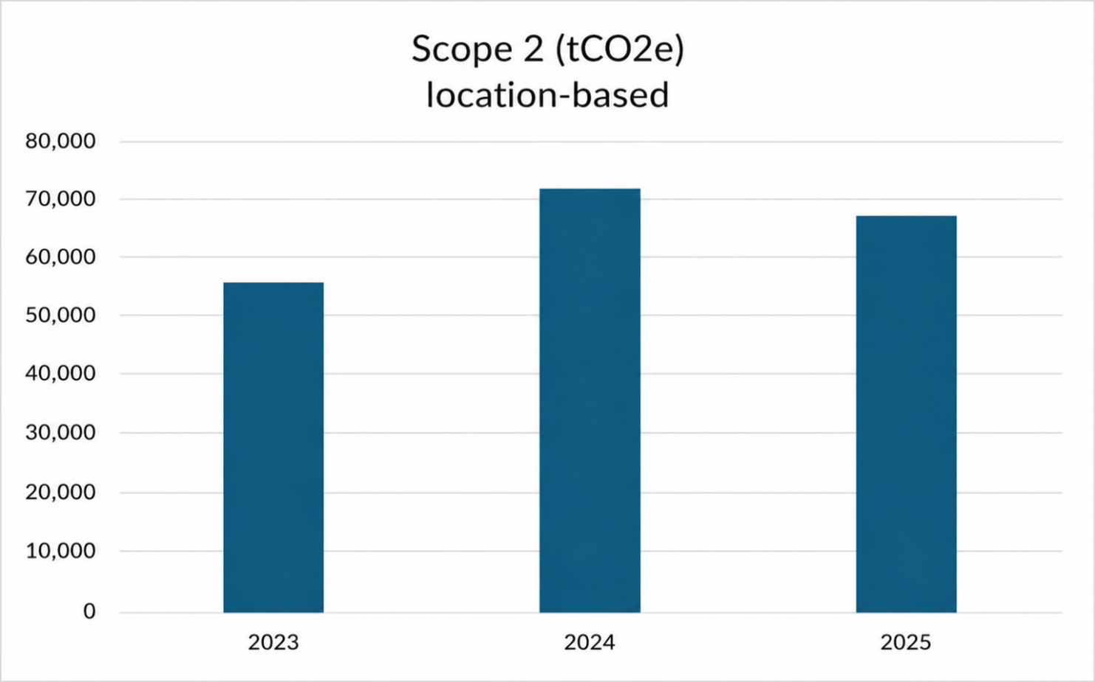

 |  |  |  |  | 2025
 | GRI 102-6 Scope 2 GHG emissions (tCO2e) by gas |  | CO₂ (t) | CH₄ (t) | CH₄ (tCO₂e) | N₂O (t) | N₂O (tCO₂e)
 |  | Total | 67,317.47 | 3.43 | 95.95 | 0.62 | 165.39
 |  | Argentina | 27,382.22 | 1.60 | 44.66 | 0.23 | 61.93
 |  | Australia | 11,357.81 | 0.17 | 4.85 | 0.14 | 37.64
 |  | Brazil | 18,149.87 | 0.00 | 0.00 | 0.00 | 0.00
 |  | Chile | 574.42 | 0.01 | 0.29 | 0.01 | 1.51
 |  | Colombia | 7,013.07 | 0.50 | 14.00 | 0.11 | 29.12
 |  | Paraguay | 0.00 | 0.00 | 0.00 | 0.00 | 0.00
 |  | Uruguay | 2,840.08 | 1.15 | 32.15 | 0.13 | 35.19

Additional information: Minerva Foods adopts the Operational Control consolidation approach for its greenhouse gas emissions inventory, applied consistently to Scopes 1, 2 and 3 across all operations in Brazil and abroad. Scope 1 emissions are accounted for in accordance with the Specifications of the Brazilian GHG Protocol Program and aligned with the GHG Protocol Corporate Standard, covering direct emissions from stationary and mobile combustion, fugitive emissions, effluent treatment, waste management and agricultural and livestock activities under the Company's control. Quantification is carried out primarily on the basis of primary operational data and nationally and internationally recognized emission factors. The calculations are processed on a digital platform certified by TÜV Rheinland and aligned with ISO 14064-1 and the GHG Protocol. The reported information undergoes independent third-party verification, in accordance with ABNT NBR ISO 14064-3:2007. Until 2023, the operation in Chile comprised only a distribution center operated by third parties, with an expansion of the operational scope in 2024 following the integration of the sheep operation. The breakdown of emissions by gas and of biogenic emissions began to be consolidated separately as of 2025, with no comparable historical series available for 2023 and 2024.

 |  |  | 2023 | 2024 | 2025 | 2024–2025 Change | Notes
 | GRI 102-7 Scope 3 GHG emissions (tCO2e) \ 13.1.4 | Total | 21,461,246.17 | 25,711,072.91 | 24,294,930.03 | -5.51%
 |  | Argentina | 2,626,824.44 | 3,380,216.41 | 3,542,733.71 | +4.81%
 |  | Australia | 2,893,449.65 | 724,670.56 | 438,957.33 | -39.43% | Although there was an 18% increase in the number of animals slaughtered, the slaughter age was reduced in 2025. The shutdown of the Tammin unit in January of the same year also stands out. These factors resulted in the reduction of Scope 3 emissions.
 |  | Brazil | 8,750,179.53 | 13,656,601.46 | 14,315,698.78 | +4.83%
 |  | Chile | 9.59 | 202,095.38 | 45,334.86 | -77.57%
 |  | Colombia | 1,428,296.07 | 1,681,877.13 | 1,383,415.81 | -17.75% | The reduction observed in Scope 3 results from the update of the emission factors applied to cattle and buffalo farming, in line with the most recent methodological references.
 |  | Paraguay | 3,115,204.67 | 3,231,431.80 | 1,642,174.94 | -49.18% | In 2025, the methodology for calculating enteric fermentation and manure management was updated; combined with this, there was a reduction in the number of head slaughtered in Paraguay, which led to a reduction in Scope 3 emissions for that country.
 |  | Uruguay | 2,646,701.86 | 2,694,619.82 | 2,926,614.79 | +8.61%

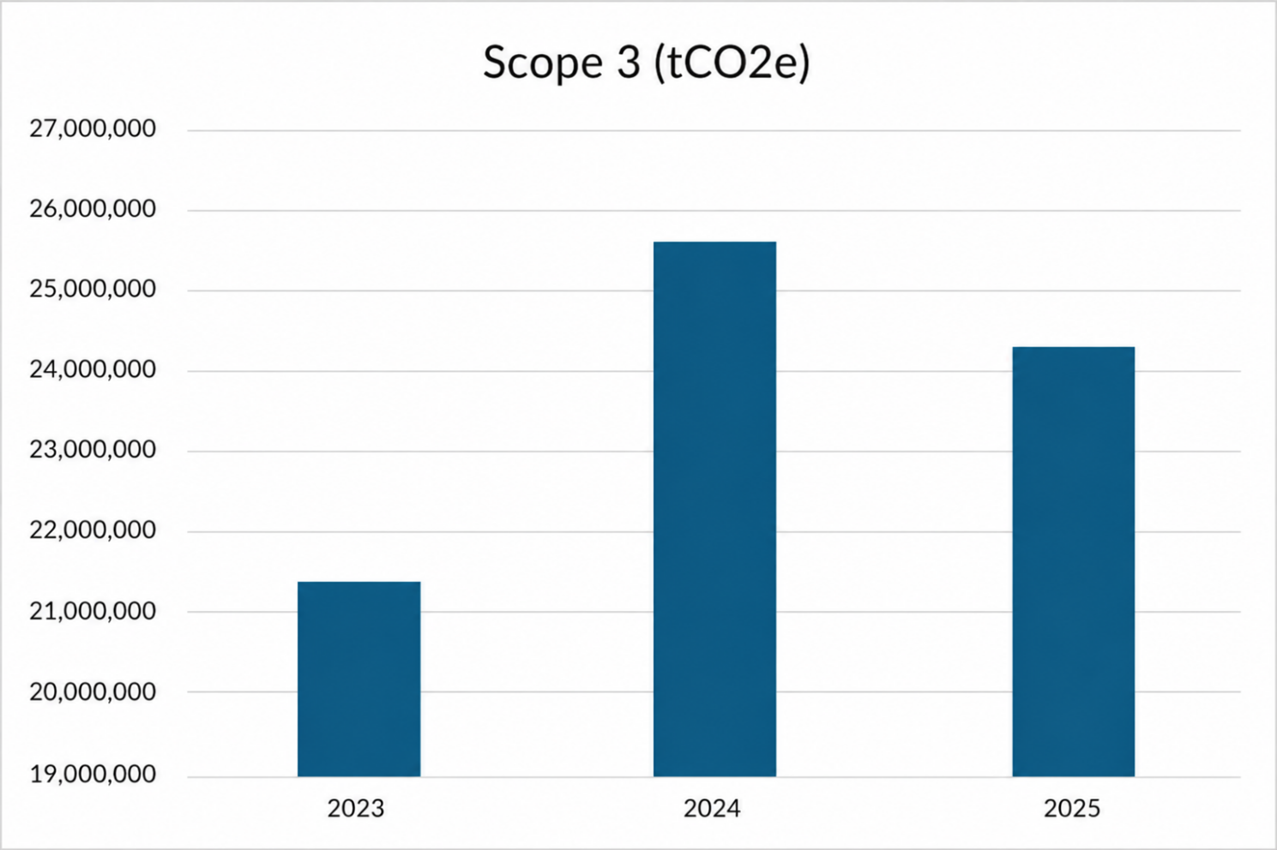

 |  |  | 2023 | 2024 | 2025 | 2024–2025 Change | Notes
 | Scope 3 (tCO2e) Category 1: Purchased goods and services - Upstream | Total | 20,888,397.28 | 24,954,644.65 | 23,436,943.13 | -6.08%
 |  | Argentina | 2,542,770.11 | 3,307,045.86 | 3,436,534.39 | +3.92%
 |  | Australia | 2,803,886.70 | 658,457.63 | 363,474.86 | -44.80%
 |  | Brazil | 8,501,648.24 | 13,380,251.35 | 13,800,532.37 | +3.14%
 |  | Chile | 0.00 | 180,592.07 | 42,103.54 | -76.69%
 |  | Colombia | 1,410,871.26 | 1,665,549.32 | 1,361,877.48 | -18.23%
 |  | Paraguay | 3,042,763.37 | 3,130,486.92 | 1,540,445.97 | -
 |  | Uruguay | 2,586,457.60 | 2,632,261.50 | 2,891,974.52 | +9.87%

 |  |  | 2023 | 2024 | 2025 | 2024–2025 Change | Notes
 | Scope 3 (tCO2e) Category 3: Fuel- and energy-related activities | Total | 43,705.27 | 114,040.84 | 133,514.01 | +17.08%
 |  | Argentina | 14,298.68 | 17,447.96 | 16,345.04 | -6.32%
 |  | Australia | 1,802.20 | 1,336.50 | 1,011.66 | -24.31%
 |  | Brazil | 14,571.95 | 79,218.65 | 107,513.81 | +35.72%
 |  | Chile | 0.00 | 438.57 | 165.39 | -62.29%
 |  | Colombia | 2,245.92 | 3,664.97 | 2,172.99 | -40.71%
 |  | Paraguay | 6,365.25 | 6,737.53 | 1,132.33 | -
 |  | Uruguay | 4,421.28 | 5,196.66 | 5,172.79 | -0.46%
 |  |  | 2023 | 2024 | 2025 | 2024–2025 Change | Notes
 | Scope 3 (tCO2e) Category 4: Upstream transportation and distribution | Total | 324,700.20 | 439,230.13 | 448,622.13 | +2.14% | Biogenic emissions totaled 24,981.68 tCO₂e in the reporting period. Of this total, 2,444.50 tCO₂e correspond to the operations in Argentina, 3,031.14 tCO₂e to Australia, 16,602.89 tCO₂e to Brazil, 4.27 tCO₂e to Chile, 396.14 tCO₂e to Colombia, 2,209.54 tCO₂e to Paraguay and 293.20 tCO₂e to Uruguay.
 |  | Argentina | 20,221.46 | 39,397.37 | 48,657.19 | +23.50%
 |  | Australia | 58,030.58 | 53,792.09 | 67,242.39 | +25.00%
 |  | Brazil | 159,420.59 | 221,315.84 | 263,148.74 | +18.90%
 |  | Chile | 9.59 | 21,022.93 | 42.13 | -99.80%
 |  | Colombia | 7,914.64 | 9,612.64 | 8,628.39 | -10.24%
 |  | Paraguay | 37,917.41 | 58,220.98 | 53,142.02 | -8.72%
 |  | Uruguay | 40,605.56 | 35,270.49 | 7,761.27 | -78.00%
 |  |  | 2023 | 2024 | 2025 | 2024–2025 Change | Notes
 | Scope 3 (tCO2e) Category 5: Waste generated in operations | Total | 58,797.37 | 46,000.68 | 46,270.64 | +0.59% | Biogenic emissions totaled 2,627.93 tCO₂e in 2025, recorded in Argentina (730.01 tCO₂e), Australia (784.40 tCO₂e), Brazil (394.11 tCO₂e), Chile (243.72 tCO₂e), Colombia (94.77 tCO₂e), Paraguay (225.21 tCO₂e) and Uruguay (155.71 tCO₂e).
 |  | Argentina | 22,472.98 | 7,494.79 | 7,478.51 | -0.22%
 |  | Australia | 7,182.17 | 7,898.68 | 3,106.20 | -60.67%
 |  | Brazil | 11,482.29 | 15,473.39 | 14,594.19 | -5.68%
 |  | Chile | 0.00 | 40.58 | 2,525.90 | +6124.49%
 |  | Colombia | 2,944.15 | 3,227.19 | 3,200.80 | -0.82%
 |  | Paraguay | 11,215.61 | 9,283.99 | 12,114.03 | +30.48%
 |  | Uruguay | 3,500.18 | 2,582.06 | 3,251.01 | +25.91%
 |  |  | 2023 | 2024 | 2025 | 2024–2025 Change | Notes
 | Scope 3 (tCO2e) Category 6: Business travel | Total | 3,759.50 | 4,468.94 | 1,829.15 | -59.07%
 |  | Argentina | 9.17 | 102.63 | 97.77 | -4.74%
 |  | Australia | 130.78 | 84.69 | 156.59 | +84.90%
 |  | Brazil | 3,330.39 | 4,011.12 | 1,090.83 | -72.80%
 |  | Chile | 0 | 0.00 | 24.64 | -
 |  | Colombia | 0 | 24.09 | 194.78 | +708.55%
 |  | Paraguay | 141.62 | 198.32 | 248.02 | +25.06%
 |  | Uruguay | 147.54 | 48.09 | 16.52 | -65.65%
 |  |  | 2023 | 2024 | 2025 | 2024–2025 Change | Notes
 | Scope 3 (tCO2e) Category 7: Employee commuting | Brazil | 3,068.36 | 4,680.10 | 6,645.05 | +41.99% | Biogenic emissions totaled 669.33 tCO₂e in 2025, recorded entirely in Brazil.

 |  |  | 2023 | 2024 | 2025 | 2024–2025 Change | Notes
 | Scope 3 (tCO2e) Category 9: Downstream transportation and distribution | Total | 1,952.76 | 24,682.47 | 25,916.49 | +5.00% | The biogenic emissions associated with the 'Downstream transportation and distribution' category totaled 648.83 tCO₂e in 2025, concentrated mainly in Argentina (477.27 tCO₂e), followed by Paraguay (89.64 tCO₂e), Brazil (79.45 tCO₂e) and Colombia (2.47 tCO₂e). Australia, Chile and Uruguay recorded no biogenic emissions in this category in the reporting period.
 |  | Argentina | 0 | 4,309.50 | 12,044.16 | +179.48%
 |  | Australia | 0 | 0.00 | 0.00 | -
 |  | Brazil | 1,484.53 | 8,813.37 | 2,896.50 | -67.14%
 |  | Chile | 0 | 0.00 | 0.00 | -
 |  | Colombia | 0 | 0.00 | 185.18 | -
 |  | Paraguay | 463.53 | 7,295.46 | 10,790.65 | +47.91%
 |  | Uruguay | 4.7 | 4,264.15 | 0.00 | -100.00%

 |  |  | 2023 | 2024 | 2025 | 2024–2025 Change | Notes
 | Scope 3 (tCO2e) Category 10: Processing of sold products | Total | 8,138.28 | 8,262.86 | 14,022.83 | +69.71%
 |  | Argentina | 0 | 2,093.54 | 3,121.20 | +49.09%
 |  | Australia | 117.31 | 66.41 | 51.45 | -22.53%
 |  | Brazil | 8,020.97 | 3,778.93 | 7,579.44 | +100.57%
 |  | Chile | 0 | 0.00 | 0.00 | -
 |  | Colombia | 0 | 389.29 | 444.15 | +14.09%
 |  | Paraguay | 0 | 1,423.56 | 1,670.60 | +17.35%
 |  | Uruguay | 0 | 511.14 | 1,155.99 | +126.16%

 |  |  | 2023 | 2024 | 2025 | 2024–2025 Change | Notes
 | Scope 3 (tCO2e) Category 12: End-of-life treatment of sold products | Total | 128,727.17 | 115,062.25 | 181,055.03 | +57.35%
 |  | Argentina | 27,047.39 | 17,634.34 | 18,455.44 | +4.66%
 |  | Australia | 22,299.92 | 3,034.58 | 3,914.18 | +28.99%
 |  | Brazil | 47,362.81 | 57,089.48 | 111,586.32 | +95.46%
 |  | Chile | 0 | 11.11 | 473.25 | +4159.68% | First year of industrial operation at the source
 |  | Colombia | 4,244.58 | 298.13 | 6,711.84 | +2151.31%
 |  | Paraguay | 16,288.70 | 21,572.72 | 22,631.32 | -
 |  | Uruguay | 11,483.77 | 15,421.90 | 17,282.68 | +12.07%

Additional information: Minerva Foods adopts the Operational Control consolidation approach for its greenhouse gas emissions inventory. This approach is applied consistently to Scope 1, 2 and 3 emissions, including the accounting and verification of operating units in Brazil and abroad. Under Operational Control, the inventory includes all operations over which Minerva has the authority to implement operating and health, safety and environment policies, regardless of the percentage of equity interest. Minerva Foods' Scope 3 emissions were accounted for in accordance with the Specifications of the Brazilian GHG Protocol Program, in alignment with the GHG Protocol Corporate Standard and the GHG Protocol Corporate Value Chain (Scope 3) Standard, ensuring methodological consistency and adherence to international best practices for quantifying emissions along the value chain. The inventory adopts the operational control principle for defining the organizational boundaries and covers the Scope 3 categories considered relevant based on a materiality analysis and the maturity of the Company's data management. The quantification of Scope 3 emissions considered primary data whenever available, especially in the most material categories, with emphasis on purchased goods and services, which concentrate the largest share of Minerva Foods' emissions. In this category, the emissions associated with the rearing of the cattle and sheep acquired for slaughter and processing are predominantly accounted for, in particular the methane (CH₄) from enteric fermentation and manure management over the animals' lifetimes; in addition, in 2025 these emission factors were updated for the Latam units, sourced from the most recent National Greenhouse Gas Inventories or National Communications to the UNFCCC. For the other categories, such as upstream and downstream transportation and distribution, waste generated in operations, business travel, employee commuting, processing of sold products and e

 |  |  | 2023 | 2024 | 2025 | 2024–2025 Change | Notes
 | GRI 102-8 | GHG emissions intensity | 0.2 | 0.19 | 0.19 | 0.00% | Minerva Foods reported, for 2025, a GHG emissions intensity index of 0.19, calculated from the ratio between Scope 1 and 2 market-based emissions and the volume of finished product tonnes (FPT). The numerator of the indicator considers 527,783.75 tCO₂e for Scope 1 and zero Scope 2 emissions under the market-based approach, due to the consumption of electricity from renewable sources.
Economic Performance
 |  |  |  |  | 2025
 | GRI 201-2 | Financial implications and other risks and opportunities due to climate change | Minerva Foods identifies risks and opportunities related to climate change that may impact its operations, revenues and costs over time. In 2025, a climate risks and opportunities study was conducted considering the SSP1-2.6, SSP2-4.5 and SSP3-7.0 scenarios, with projections for 2030, 2050 and 2080.

 |  |  | Risk/Opportunity identified | Nature | Description | Associated impact | Time horizon

 |  |  | Partial or total interruption of operations at an industrial unit | Physical risk - Extreme weather events | Extreme weather events such as wildfires, floods and strong winds can damage the physical structure of the industrial units. | Reduction in the Company's profit margins and results due to the partial or total interruption of operations at an industrial unit. | 2030 | 2050 | 2080
 |  |  | Damage to infrastructure and equipment | Physical risk - River floods, wildfires and strong winds | River floods and wildfires can compromise industrial structures, fixed and mobile equipment. | Increase in costs and expenses with maintenance and repairs. | 2030 | 2050 | 2080
 |  |  | Difficulty in or unavailability of access to the industrial units | Physical risk | River floods and wildfires can hinder or prevent the access of employees, suppliers and service providers to the industrial units due to the deterioration of roads. | Access interruptions, damage to structures. | 2030 | 2050 | 2080
 |  |  | Increase in the frequency and severity of infectious diseases | Physical risk | Low temperatures and heat waves, as well as high temperatures, facilitate the transmission of infectious diseases. | Compromised production levels. | 2030 | 2050 | 2080
 |  |  | Health and well-being impacts | Physical risk | Heat waves cause physical discomfort in humans and animals. | Compromised physical and mental integrity can lead to work absence and the need to intensify preventive measures. | 2030 | 2050 | 2080
 |  |  | Loss of nutritional quality of pastures | Physical risk | Heat waves can impact the loss of nutritional quality of pastures on the Company's supplier farms. | As a result, cattle will require feed supplementation, impacting product costs. | 2030 | 2050 | 2080
 |  |  | Unavailability of grains for animal feed supplementation | Physical risk | Wildfires can affect crop development, reducing the supply of grains for animal feed supplementation. | Raising costs for catle producers that may be passed on to the meatpacking plants. | 2030 | 2050 | 2080
 |  |  | Increase in the cost of acquiring animals | Physical risk | The purchase price of cattle, the Company's main input, is exposed to significant fluctuations due to factors such as the cattle cycle and the cost of inputs on supplier farms. | Reduction in the Company's profit margins and results due to the increase in costs. | 2030 | 2050 | 2080
 |  |  | Bruising, hematomas and animal mortality | Physical risk | Flooding events may increase animal mortality and welfare risks. | Bruising causes blood to accumulate in the injured area, which increases the risk of bacterial contamination of the carcasses. | 2030 | 2050 | 2080
 |  |  | Reduction in animal welfare | Physical risk | Extreme weather events such as heat or cold waves, meteorological droughts and wildfires can increase stress levels in animals. | To prevent extreme events from affecting animal welfare, suppliers may have to invest in infrastructure and activities that protect the animals. | 2030 | 2050 | 2080
 |  |  | Increase in water withdrawal | Physical risk | High temperatures and heat waves increase water demand. | Reduce the availability of drinking water on supplier farms. | 2030 | 2050 | 2080
 |  |  | Increase in the cost of water | Physical risk | Meteorological droughts can cause a reduction in the flow of underground and surface withdrawals. | Which may lead to higher supply costs. | 2030 | 2050 | 2080
 |  |  | Water quality deterioration | Physical risk | Meteorological droughts and river floods can cause a deterioration in the quality of water from surface and/or underground withdrawals. | Fines from regulatory agencies for non-compliance with quality parameters and damage to the Company's image. | 2030 | 2050 | 2080
 |  |  | Increase in electricity consumption | Physical risk | High temperatures and heat waves require intensive use of ventilation and refrigeration equipment. | Increase in electricity consumption. | 2030 | 2050 | 2080
 |  |  | Interruption in the electricity supply | Physical risk | Damage to electricity distribution lines can interrupt the electricity supply to the industrial units. | Temporarily halt industrial operations. | 2030 | 2050 | 2080
 |  |  | Adoption of carbon pricing policies | Transition risk | The eventual adoption of carbon pricing policies, whether through the imposition of a levy (or tax) on emissions or due to the creation of a regulated carbon market. | Reduction in the Company's profit margins and results. | 2030 | 2050 | 2080
 |  |  | Increase in Scope 2 emissions | Transition risk | Changes in rainfall, wind and radiation patterns impact the supply of electricity from renewable sources. | Increase in Scope 2 emissions. | 2030 | 2050 | 2080
 |  |  | Increase in electricity costs | Transition risk | Increase in the price of fossil fuels due to the removal of subsidies. | Increase in electricity costs. | 2030 | 2050 | 2080
 |  |  | Increase in the price of fossil fuels | Transition risk | Changes in rainfall, wind and radiation patterns impact the supply of electricity from renewable sources. | Higher costs of the fossil fuels used to power industrial equipment and vehicles. | 2030 | 2050 | 2080
 |  |  | Energy interruption or rationing | Transition risk | The interruption or rationing of electricity can temporarily halt industrial operations. | May generate additional costs with alternative energy sources. | 2030 | 2050 | 2080
 |  |  | New obligations relating to exports (carbon taxation) | Transition risk | Establishment of new trade restrictions and/or taxation in the international market for products from countries with climate policies considered insufficient. | Reduction in the Company's profit margins and results. | 2030 | 2050 | 2080
 |  |  | Supply chain disruptions | Transition risk | Extreme weather events or geopolitical shocks in logistics routes and the energy sector can raise the cost of freight and basic inputs. | Disrupting the supply flow and increasing operating costs. | 2030 | 2050 | 2080
 |  |  | Electrification of industrial processes | Opportunity | Implementation of an energy arbitrage strategy through the migration of thermal processes to high-efficiency electric technologies. | Reduction in carbon intensity. | 2030 | 2050 | 2080
 |  |  | Access to green capital (Green Bonds & Sustainability-Linked Bonds) | Opportunity | Structuring of sustainable debt instruments (Green Bonds or Sustainability-Linked Bonds) to finance the technological modernization of operations. | Access to financing at preferential rates becomes a critical competitive advantage. | 2030 | 2050 | 2080
 |  |  | Expansion of raw material sales and production for biofuel markets | Opportunity | Consolidation of slaughter by-products (especially beef tallow) as a commodity for biodiesel production. | Expansion of the supply of low-carbon-intensity inputs. | 2030 | 2050 | 2080
 |  |  | Increase in revenue from the sale of decarbonization credits (CBIOs) | Opportunity | Monetization of the emissions avoided through biodiesel production, via RenovaBio. | Turning environmental efficiency into a tradable financial asset. | 2030 | 2050 | 2080

Sustainable Sourcing
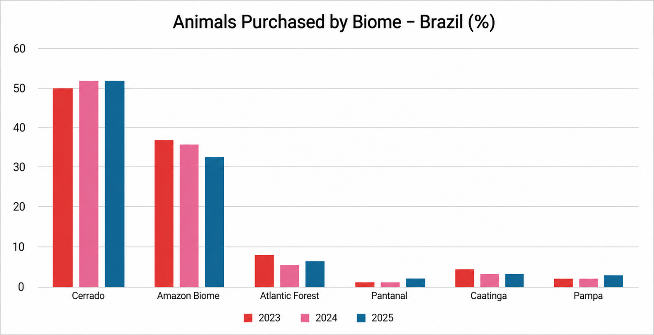
 |  |  | Introduction | Sustainability Commitment | Materiality
Ethics, Risk Management and Compliance | Market presence | Climate Change | Water Management | Biodiversity and Ecological Impacts | Sustainable Sourcing | Employee health, safety, and well-being | Respect, development and recognition of people | Food Quality and Safety | Animal Welfare
 |  | Additional Disclosures | SARB | Policies | GRI Content Index | SASB Index

Sustainable Sourcing

GRI 3-3 Management of the material topic: Sustainable Sourcing
Sustainable sourcing management focuses on the cattle supply chain, recognizing the sector's dependence on land use and natural resources. This material topic addresses supplier compliance with environmental, social and human-rights requirements, with impacts on biodiversity, climate, working conditions and legality. The risks associated with livestock production include land-use change, pressure on natural ecosystems, illegal deforestation, environmental degradation, human-rights violations, irregular labor and land conflicts. The Company is exposed to these risks primarily through its supply chain relationships rather than its own industrial operations. Although not directly caused by the Company, these effects may be linked to the sourcing of raw materials when non-conformities occur at the production stage. To manage these situations, corporate sustainability and procurement policies are adopted, establishing mandatory social, environmental and human-rights criteria that are systematically integrated into the purchasing process as mandatory requirements. Measures for managing cattle sourcing include mandatory social and environmental analyses for each purchase, based on satellite imagery, cartographic analysis, official public databases and government lists. Criteria such as the absence of illegal deforestation, no overlap with protected areas or Indigenous lands, the absence of environmental embargoes and labor compliance are verified, resulting in the automatic restriction of non-compliant suppliers, with the provision of technical guidance and support through initiatives such as the Reconecta Program. The management of sustainable sourcing involves engaging the supply chain, disseminating social and environmental practices and integrating environmental and human-rights criteria into procurement decision-making. This approach promotes biodiversity conservation, improved working conditions, the reduction of social and environmental risks and the resilience of t

Supplier environmental assessment / Supplier social assessment
 |  |  | 2023 | 2024 | 2025 | 2024–2025 Change | Notes
 | GRI 308-1 % of new suppliers screened using environmental criteria; GRI 414-1 % of new suppliers screened using social criteria | Argentina | 90.00% | 100.00% | 100.00% |  | 100% of cattle suppliers must comply with the purchasing policy and social and environmental criteria, monitored through systemic integration with a geospatial platform, with continuous data updates. Monitoring takes place for each purchase and assesses criteria such as the absence of illegal deforestation, encroachment on protected areas, environmental embargoes and the slave-like labor list. Minerva Foods is currently assessing the regulatory framework in Chile and Australia to evaluate the feasibility of implementing environmental and social monitoring protocols.
 |  | Australia | - | - | -
 |  | Brazil | 100.00% | 100.00% | 100.00%
 |  | Chile | - | - | -
 |  | Colombia | 100.00% | 100.00% | 100.00%
 |  | Paraguay | 100.00% | 100.00% | 100.00%
 |  | Uruguay | 60.00% | 100.00% | 100.00%
 |  |  | 2023 | 2024 | 2025 | 2024–2025 Change | Notes
 | GRI 308-2 Negative environmental impacts in the supply chain and actions taken GRI 414-2 Negative social impacts in the supply chain and actions taken | Total | 893 | 1,488 | 1,027 | -30.98% | In 2025, 56,115 direct cattle supplier properties were monitored against social and environmental criteria, of which 1,027 direct supplier properties were restricted for non-conformities. Non-compliant suppliers have their cases analyzed and receive guidance from the Sustainability team for regularization. As long as pending issues remain, they continue to be ineligible from trading with the Company. Minerva Foods is currently assessing the regulatory framework in Chile and Australia to evaluate the feasibility of implementing environmental and social monitoring protocols.
 |  | Brazil | 637 | 1,189 | 208 | -82.51%
 |  | Latam | 256 | 299 | 819 | +173.91%
 |  | Australia | - | - | - | -
Freedom of Association and Collective Bargaining
 |  |  |  |  | 2025
 | 407-1 | Operations and suppliers in which the right to freedom of association and collective bargaining may be at risk | In 2025, no own operations or suppliers were identified with significant risk to the right to freedom of association or collective bargaining. The organization maintains channels of dialogue with union representatives, ensures workers' access to collective bargaining mechanisms and promotes compliance with applicable collective agreements, in accordance with the labor legislation in force.
Child Labor
 |  |  |  |  | 2025
 | 408-1 | Operations and suppliers at significant risk for incidents of child labor | In 2025, no significant risks of child labor were identified in the Company's own industrial operations. Potential risks are concentrated among indirect suppliers in the cattle sourcing chain, especially on rural properties with varying levels of labor formalization. These risks may be associated with the participation of children or adolescents below the legal age in agricultural and livestock activities, or with the exposure of young workers to hazardous activities such as animal handling, the use of tools and work in extensive rural environments. The areas with potential risk are concentrated in rural regions of countries where cattle sourcing takes place, including Brazil, Paraguay, Argentina, Uruguay and Colombia. To prevent and mitigate these risks, the Company conducts social and environmental due diligence processes across the supplier chain, including consultations with public and government databases, audits, contractual labor-compliance clauses and continuous monitoring under the sustainable sourcing policy.
Forced or Compulsory Labor
 |  |  |  |  | 2025
 | 409-1 | Operations and suppliers at significant risk for incidents of forced or compulsory labor | In 2025, no significant risks of forced labor or modern slavery were identified in the Company's own industrial operations, which operate under formal employment and labor-compliance regimes. Potential risks are concentrated in the primary cattle supply chain, especially on rural supplier properties located in remote areas or areas of agricultural expansion. These risks may be associated with factors such as informality in labor relations and a reduced presence of enforcement in rural regions of Brazil, Paraguay, Colombia, Argentina and Uruguay. To mitigate these risks, the Company conducts social and environmental due diligence processes across the supplier chain, including geospatial monitoring, consultations with public databases, media monitoring and the application of contractual clauses and commercial blocking mechanisms in cases of non-compliance.
GRI 13: Agriculture, Aquaculture and Fishing Sectors
 |  |  |  |  | 2025
 | 13.4.3 | Conversion of natural ecosystems | 100% of the cattle volume purchased in the South American operations was classified as free of illegal deforestation, based on the Company's social and environmental monitoring mechanisms, verification procedures and public commitments, including, where applicable, independent audits. No volumes that were untraceable with respect to deforestation were identified in the reporting period (0%), in accordance with the monitoring scope and the methodologies currently implemented by the Company.
 |  |  |  |  | 2025
 | 13.13.2 | Land and natural resource rights | Minerva Foods recognizes that the main risks related to land and natural resource rights are concentrated in the regions where it operates and, primarily, in the cattle sourcing areas, involving aspects such as land tenure regularity, land use, access to natural resources and dependence on local ecosystems. These contexts may include customary, collective or informal rights and are treated as areas where the Company may have potential influence. To mitigate these risks, the Company adopts systematic social and environmental analysis processes for cattle purchases, with verification of legal compliance, land use and the absence of liabilities, in addition to monitoring 100% of direct suppliers. This model is applied consistently across the countries in which it operates, taking into account local specificities. In Brazil, the operational expansion following the acquisition of new assets in 2024 increased the relevance of these risks. In Argentina, Colombia, Paraguay and Uruguay, the same criteria are applied, with a focus on compliance and supply chain monitoring. Minerva Foods is currently assessing the regulatory framework in Chile and Australia to evaluate the feasibility of implementing environmental and social monitoring protocols.
 |  |  |  |  | 2025
 | 13.13.3 | Land and natural resource rights | In 2025, 46 operations were analyzed across seven countries (Uruguay, Paraguay, Colombia, Chile, Brazil, Australia and Argentina) and no violations of land and natural resource rights were identified in these areas of the Company's operation.
 |  |  |  |  | 2025
 | 13.23.2 / 13.23.3 | Supply chain traceability | All direct cattle suppliers are monitored by the Company in its beef slaughtering operations in South America. In addition, Minerva Foods has been advancing the traceability of indirect suppliers in South America through proprietary protocols, integration with external platforms and the use of public databases. Minerva Foods is currently assessing the regulatory framework in Chile and Australia to evaluate the feasibility of implementing environmental and social monitoring protocols.
 |  |  |  |  | 2025
 | 13.23.4 | Supply chain traceability | Minerva Foods implements improvement projects aimed at strengthening supply chain traceability, focusing on expanding chain visibility and advancing the capacity to certify purchased volumes. In Brazil, the Company adopts proprietary traceability and social and environmental monitoring protocols, integrating public databases, satellite imagery and independent audits. In Argentina, advances include expanding the traceability of direct and indirect suppliers, supported by the VISEC platform. In Paraguay, the Company monitors the development of a government social and environmental traceability platform in the context of the EUDR. In Uruguay, it uses the government SNIG system as the basis for individual animal traceability. In Colombia, efforts focus on strengthening social and environmental due diligence and territorial traceability. In Chile, the operation follows the PABCO program, and in Australia operations follow the National Vendor Declaration. These projects support the continuous evolution of traceability and verification of product origin throughout the supply chain.
Company-Specific Indicator
 |  |  | 2023 | 2024 | 2025 | 2024–2025 Change | Notes
 | MF - Animals purchased by Brazilian biomes (%) | Cerrado | 50.00% | 52.00% | 52.00% | 0.00%
 |  | Amazon | 37.00% | 36.00% | 33.00% | -8.33%
 |  | Atlantic Forest | 8.00% | 6.00% | 7.00% | 16.67%
 |  | Pantanal | 1.00% | 1.00% | 2.00% | 100.00%
 |  | Caatinga | 4.00% | 3.00% | 3.00% | 0.00%
 |  | Pampa | - | 2.00% | 3.00% | 50.00%

Additional Disclosures
 |  |  | Introduction | Sustainability Commitment | Materiality
Ethics, Risk Management and Compliance | Market presence | Climate Change | Water Management | Biodiversity and Ecological Impacts | Sustainable Sourcing | Employee health, safety, and well-being | Respect, development and recognition of people | Food Quality and Safety | Animal Welfare
 |  | Additional Disclosures | SARB | Policies | GRI Content Index | SASB Index

Additional Disclosures

Energy
 |  |  |  |  | 2025
 | GRI 103-1 | Energy policies and commitments | In 2025, Minerva Foods maintains an energy strategy aligned with its Sustainability Commitment and ESG agenda, focused on reducing greenhouse gas emissions, operational efficiency and expanding the use of renewable energy sources. Since 2020, 100% of the electricity consumed globally has come from renewable sources, with investments in self-generation, solar generation and energy efficiency initiatives across different countries. The strategy seeks to decouple production growth from increased energy consumption through industrial modernization, consumption control, resource reuse and the use of alternative energy sources, contributing to the reduction of energy intensity and GHG emissions. The impacts of this energy management span economic, environmental and social dimensions. Among the economic impacts are the reduction of operating costs, greater predictability in the face of energy price volatility, increased competitiveness, and the stimulation of the renewable energy chain and local job creation. Environmentally, the initiatives contribute to climate change mitigation, the reduction of Scope 1 and 2 emissions, decreased pressure on natural resources and the reduction of atmospheric pollutants. Socially, the actions promote employee awareness and engagement, local development in regions with renewable energy projects, and improvements in operational and working conditions.
 |  |  | 2023 | 2024 | 2025 | 2024–2025 Change | Notes
GRI 103-2 Energy consumption and self-generation within the organization / SASB FB-MP-130a.1 | Total Renewable Energy Consumption | (Electricity + Renewable Fuels - GJ) | 3,685,433.83 | 4,098,459.40 | 5,388,153.58 | +31.47% | The increase in electricity consumption in 2025 is mainly due to the incorporation of the units acquired at the end of 2024, which became fully part of the operational scope throughout the entire reporting year. With the significant increase in the number of operating units, total energy consumption grew in proportion to the expansion of the Company's activities.
 | Total fuel consumption, by type | Non-renewable fuel consumption (GJ) | 925,020.47 | 1,149,601.80 | 1,295,156.33 | +12.66%
 |  | Renewable fuel consumption (GJ) | 2,032,463.87 | 2,210,787.45 | 2,651,714.82 | +19.94%
 |  | Total fuel consumption (GJ) | 2,957,484.34 | 3,360,389.25 | 3,946,871.15 | +17.45%

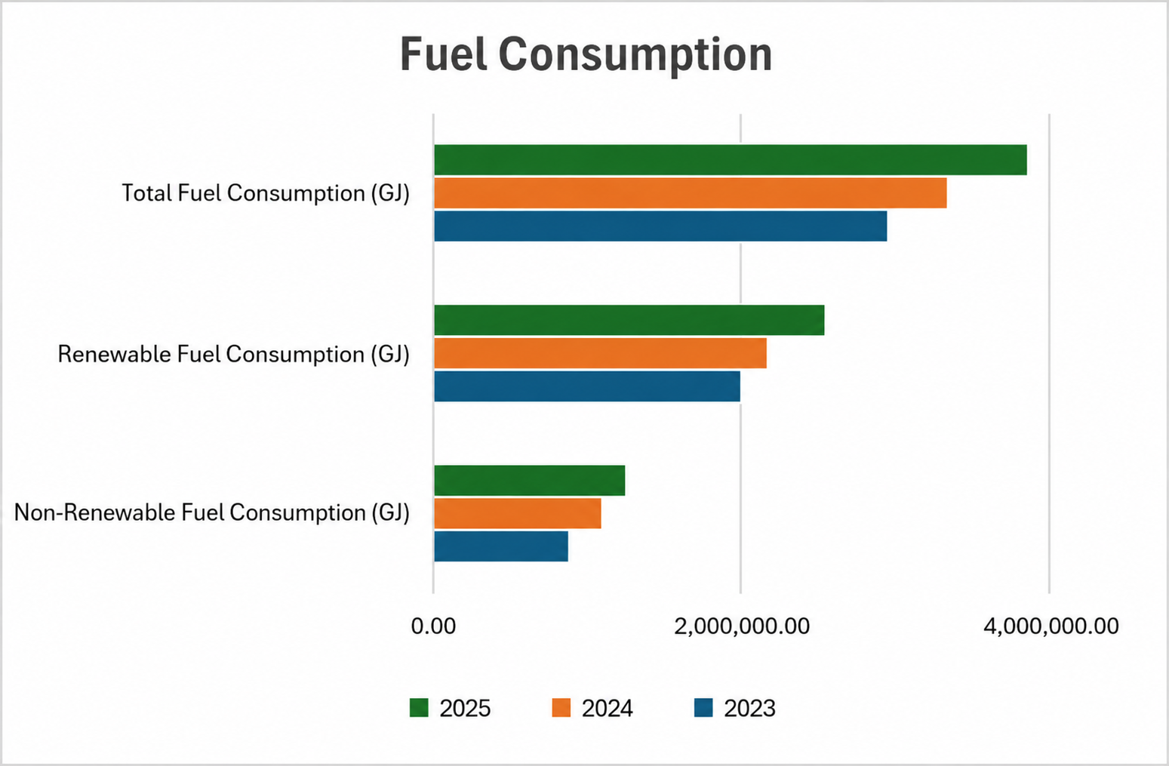

 | Total electricity consumption, by country | Electricity consumption - Argentina (GJ) | 298,767.02 | 317,345.41 | 382,819.40 | +20.63% | In 2025, Minerva Foods began the self-generation of solar energy through the Irapuru II Solar Park, in Brazil, responsible for generating 262,310.38 GJ, equivalent to approximately 15.8% of the company's total electricity and solar consumption in the country during the period. In addition, the Australia units also generated 81,097.68 GJ through solar panels. Together, in-house solar generation totaled 343,408.06 GJ, representing approximately 12.5% of the company's total global electricity consumption of 2,736,438.76 GJ during the period. The increase in electricity consumption in 2025 is mainly due to the incorporation of the units acquired at the end of 2024, which became fully part of the operational scope throughout the entire reporting year. With the significant increase in the number of operating units, total energy consumption grew in proportion to the expansion of the Company's activities.
 |  | Electricity consumption - Australia (GJ) | 92,202.62 | 88,679.00 | 81,321.15 | -8.30%
 |  | Total electricity consumption - Brazil (GJ) | 751,492.79 | 893,872.17 | 1,662,251.00 | +85.96%
 |  | Total electricity consumption - Chile (GJ) | - | - | 9,357.12 | -
 |  | Electricity consumption - Colombia (GJ) | 87,248.06 | 111,018.69 | 119,995.45 | +8.09%
 |  | Electricity consumption - Paraguay (GJ) | 245,609.02 | 260,437.08 | 263,156.30 | +1.04%
 |  | Electricity consumption - Uruguay (GJ) | 177,650.45 | 216,319.60 | 217,538.34 | +0.56%
 |  | Total electricity consumption (GJ) | 1,652,969.96 | 1,887,671.95 | 2,736,438.76 | +44.96%

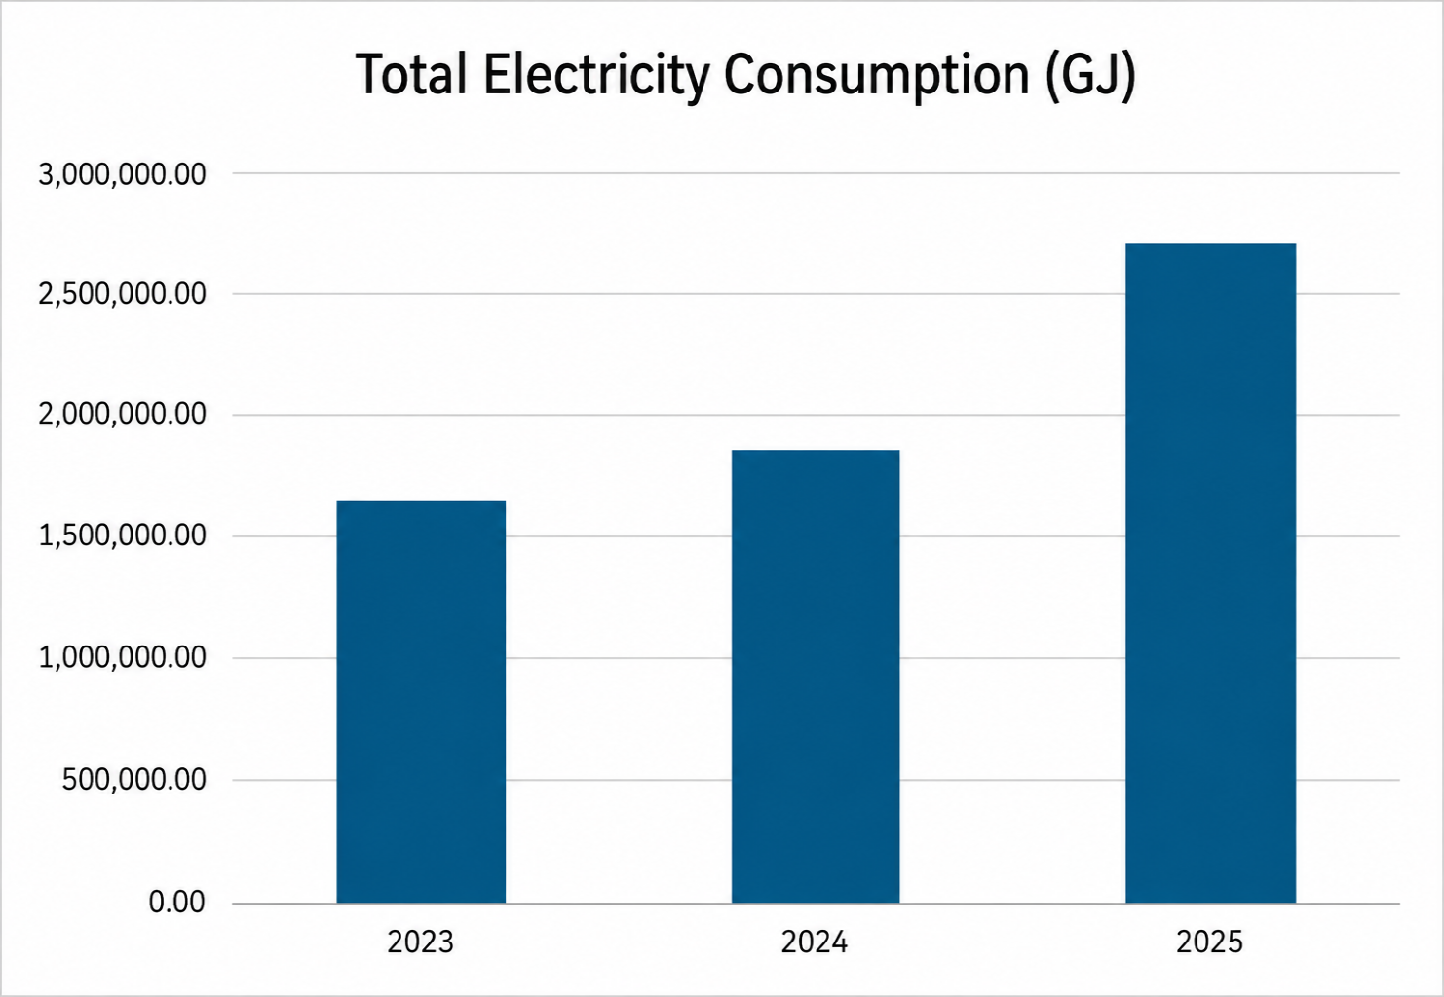

 |  | Energy intensity | 2023 | 2024 | 2025 | 2024–2025 Change
 | GRI 103-4 | Brazil | 0.89 | 0.87 | 0.83 | -4.60%
 |  | Latam | 1.02 | 0.96 | 0.99 | +3.13%
 |  | Global | 0.96 | 0.92 | 0.97 | +5.43%
 |  |  |  |  | 2025
 | GRI 103-5 | Reduction in energy consumption | In 2025, Minerva Foods implemented initiatives aimed at reducing energy consumption in its South American operations, focused on energy efficiency, the optimization of industrial processes and infrastructure modernization. Among the main actions adopted were the replacement of equipment with higher-efficiency technologies, improvements to industrial refrigeration systems, heat-recovery projects for boilers, preventive maintenance of cooling equipment and operational control of the plants' refrigeration capacity. The initiatives contributed to energy efficiency gains across different Company operations. In Uruguay, a reduction of more than 9% in energy consumption per tonne produced was recorded compared to 2024. In Paraguay, there was a 5% decrease in energy consumption associated with industrial refrigeration. In Argentina, the daily monitoring of operational indicators made it possible to identify deviations and implement corrective actions aimed at maintaining energy efficiency. The Company maintains the continuous monitoring of energy intensity indicators, seeking to reduce energy consumption and optimize operational performance even amid production variations and the integration of new operations.
Indirect Economic Impacts
 |  |  |  |  | 2025
 | GRI 203-1 | Infrastructure investments and services supported | The amounts invested include direct financial resources, contributions through tax incentive laws and product donations, such as proteins allocated to social organizations and community initiatives. In addition to financial support, the Company contributes to strengthening these initiatives through training and technical monitoring of the organizations supported. These initiatives are conducted mainly through the Minerva Solidário program, which structures and monitors the projects supported in the territories where the Company operates. The supported projects span areas such as education, culture, sport, income generation and food security, focused on the institutional strengthening of civil society organizations, small rural producers and local communities. Investments are directed primarily to regions near the Company's operations, contributing to expanding social and economic development opportunities in the communities.
 |  |  |  |  | 2025
 | GRI 203-2 | Significant indirect economic impacts | The Company identifies indirect economic impacts arising from its operations in the regions where it operates. Among the positive impacts are job creation in local communities, the development of regional suppliers and the stimulation of local economies through the procurement of goods and services, including activities related to transportation, maintenance, inputs and logistics. Among the potential negative indirect economic impacts are the possibility of economic dependence of certain localities on the industrial operations, increased demand on local infrastructure and public services, and the effects that variations in production levels may have on suppliers, service providers and regional economies.
Materials
 |  | Material type | 2023 | 2024 | 2025 | 2024–2025 Change | Notes
 | GRI 301-1 Materials used by weight or volume | Non-renewable materials (t) | 12,863.19 | 13,644.10 | 11,427.83 | -16.24%
 |  | Renewable materials (t) | 43,835.60 | 57,900.00 | 3,481.24 | -93.99%
 |  | Total materials used (t) | 50,216.54 | 71,557.24 | 14,909.07 | -79.16%
Waste
 |  |  |  |  | 2025
 | GRI 306-1 | Waste generation and significant waste-related impacts | The waste generated by Minerva Foods results mainly from the industrial activities of slaughter and processing, including organic waste, recyclable and non-recyclable solid waste, chemical waste and liquid effluents from production, administrative and maintenance processes. The main impacts associated with waste generation relate to the proper handling of organic waste, chemicals and effluents, in order to prevent impacts on the environment and public health, such as soil and water contamination and sanitary risks. To mitigate these impacts, the company adopts practices for the segregation, storage, reuse and environmentally appropriate disposal of waste, in addition to effluent monitoring and the contracting of companies licensed by the competent environmental agencies, ensuring legal and environmental compliance in its global operations.
 |  |  |  |  | 2025
 | GRI 306-2 | Management of significant waste-related impacts | Minerva Foods adopts waste management practices aimed at the segregation, storage, tracking and environmentally appropriate disposal of the waste generated in its industrial and administrative operations. Responsibility for management is shared between the generating areas and the units' Environment teams, which control movements and monitor indicators and action plans related to the topic. Waste is segregated according to its classification and stored in appropriate areas until collection and final disposal by licensed third-party companies authorized by the competent environmental agencies. As part of the management process, the company requires legal documentation and periodic proof of the licenses and environmental compliance of service providers. In addition, the organization uses internal systems and government platforms to control information related to waste, including type, quantity, transportation and treatment technology used. In Brazil, Minerva Foods also maintains circular economy initiatives, such as packaging offsetting through the "Eu Reciclo" seal, which in 2025 offset the equivalent of 50% of the volume of packaging placed on the domestic market.
 |  | Waste generated | 2023 | 2024 | 2025 | 2024–2025 Change | Notes
 | GRI 306-3 | Waste generated (t) | 137,646.97 | 158,343.19 | 204,442.12 | +29.11% | The increase in waste generation in 2025 is mainly due to the incorporation of the units acquired at the end of 2024, which became fully part of the operational scope throughout the entire reporting year.
 |  | Hazardous waste (t) | 828.02 | 871.43 | 557.22 | -36.06%
 |  | Non-hazardous waste (t) | 136,818.95 | 157,471.76 | 203,884.90 | +29.47%
 |  | Waste diverted from final disposal | 2023 | 2024 | 2025 | 2024–2025 Change | Notes
 | GRI 306-4 | Waste diverted from final disposal (t) | 107,137.85 | 125,491.78 | 158,393.46 | +26.00%
 |  | Waste diverted from final disposal - Hazardous (t) | 28.6 | 38.18 | 478.79 | +1154.00%
 |  | Waste diverted from final disposal - Non-hazardous (t) | 107,109.25 | 125,453.60 | 157,914.67 | +26.00%
 |  | Total waste directed to recycling (t) | 8,648.57 | 9,667.60 | 9,185.85 | -5.00%
 |  | Total waste directed to composting (t) | 98,460.68 | 113,433.78 | 138,295.17 | +22.00%
 |  | Waste directed to final disposal | 2023 | 2024 | 2025 | 2024–2025 Change | Notes
 | GRI 306-5 | Waste directed to final disposal (t) | 30,509.12 | 32,851.41 | 46,048.66 | +40.00% | With respect to non-hazardous waste, the Company did not direct materials to incineration with energy recovery. A total of 11.72 tonnes were sent to incineration without energy recovery and 3,951.13 tonnes to other disposal operations. As for hazardous waste, in 2025 the company recorded no disposal to other forms of recovery. During the period, 0.12 tonnes were directed to incineration with energy recovery and 58.2 tonnes to incineration without energy recovery.
 |  | Waste directed to final disposal - Hazardous (t) | 799.42 | 833.25 | 78.43 | -91.00%
 |  | Waste directed to final disposal - Non-hazardous (t) | 29,709.70 | 32,018.16 | 45,970.23 | +44.00%
 |  | Waste directed to landfill (t) - Hazardous | 744.35 | 741.5 | 20.11 | -97.00%
 |  | Waste directed to landfill (t) - Non-hazardous | 29,653.30 | 31,313.46 | 42,007.38 | +34.00%
Local communities
 |  |  |  |  | 2025
 | GRI 413-1 | Operations with local community engagement, impact assessments, and development programs | In 2025, Minerva Foods maintains a structured approach to managing social and environmental impacts and to engaging with communities in the regions where it operates. Its operations incorporate processes for identifying, assessing, and monitoring impacts, including environmental assessments and ongoing control and improvement practices. Engagement with stakeholders is guided by corporate guidelines and references such as the AA1000SES, fostering continuous dialogue, transparency, and consideration of local contexts, with a focus on inclusion and equity. The company also develops social investment initiatives focused on areas such as education, food security, income generation, and inclusion, through projects, campaigns, and donations that benefit communities and employees. At the same time, it is advancing the structuring of its social investment governance, strengthening the management and consistency of its actions. In this way, Minerva demonstrates that its operations incorporate community engagement practices, impact assessments, and local development programs, albeit with varying levels of maturity across regions.
 |  |  |  |  | 2025
 | GRI 413-2 | Operations with significant actual and potential negative impacts on local communities | In 2025, Minerva Foods assessed the actual and potential negative impacts of its operations on local communities across all regions where it operates. Actual and/or potential impacts were identified at some of the facilities, while others reported no relevant occurrences during the period, with risks being preventively monitored. The most recurring impacts are related to odors, noise, and increased vehicle traffic in surrounding areas, as well as environmental aspects such as the use of natural resources (water and energy), waste and effluent generation, atmospheric emissions, and contamination risks. Potential socio-economic impacts are also considered, such as community dependence on operations and possible effects in the event of business interruptions. In operations located closer to communities, especially in rural areas, these impacts may be more directly perceived. In other locations, they remain predominantly potential and are subject to ongoing monitoring. For management purposes, 100% of operations have environmental management systems and practices in place, including operational controls, continuous monitoring, legal compliance, and mitigation actions. The company also adopts stakeholder engagement mechanisms to identify and address these impacts. Accordingly, Minerva Foods recognizes and systematically manages the actual and potential negative impacts associated with its operations, seeking to prevent, mitigate, and reduce them.

